2015=100
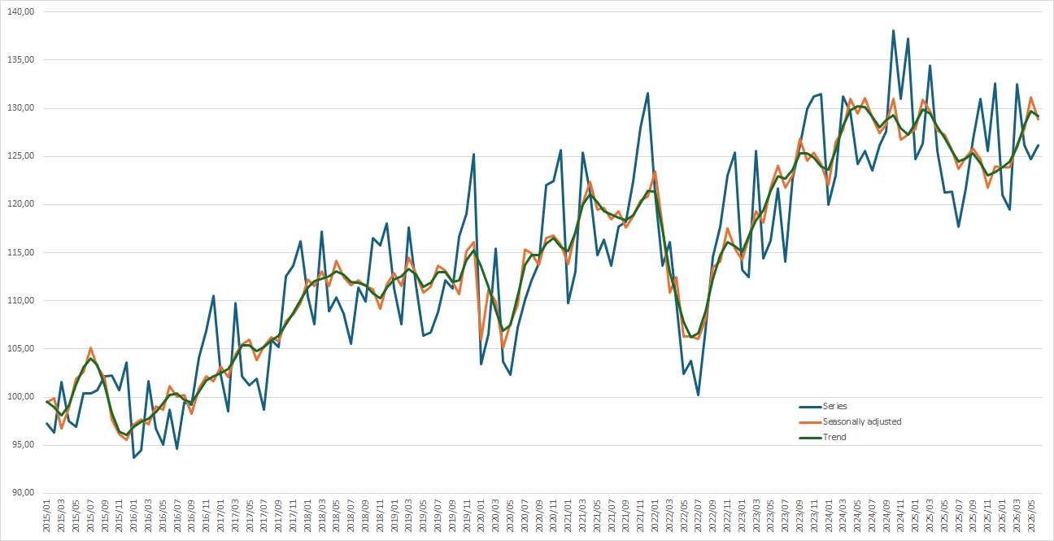
Industrial production index
2015 = 100

